MCSim
Simple revenue simulation
Monte Carlo simulation in the Business Analytics add-in To run a Monte Carlo simulation in a spreadsheet: Go to "CBS BA Add-In > Run MonteCarlo simulation"
(or Ctrl+Shift+M) and fill the simulation setup dialog.
1. Select the cells containing formulas to simulate
2. Select the cell containing the number of simulation trials
3. Select the cell at which the upper-left of the result table
is to be located
4. Check or uncheck the "Print histogram" box.
5. (Optional) Enter the histogram_include indicator row
7. Press OK to run the simulation
Note 1: Any cell in the spreadsheet can be used to generate random values using the functions such as "NormalSim()", "BinomSim()" and "ExpSim()".
Note 2: The simulation can track any number of variables in a single row Use "CBS BA Add-In > Clear histogram sheets" to clear previously created histogram sheets
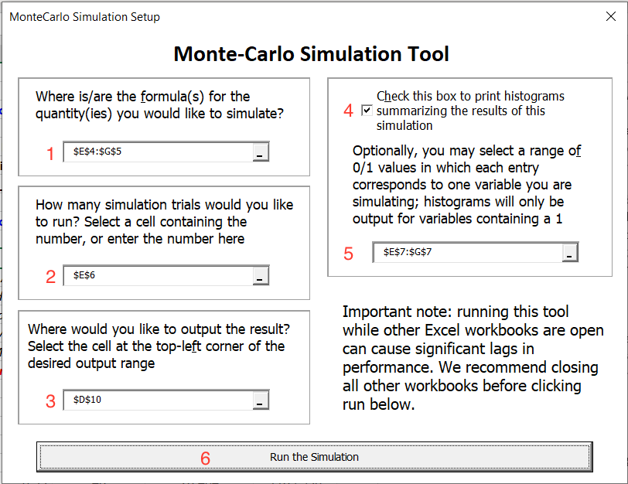
User-defined fields |  | Simulation setup
Number of customers | 100 |  | Num purchase | Rev per purchase | Total rev
Probability of purchase | 40% | Formula | 37 | 23.8 | 879.6
Number of purchases (binomial) | 37 | Simulation trials | 1000
 |  | Histogram_include | 0 | 1 | 1
Mean revenue per purchase | 20
Std dev of revenue per purchase | 5 | Simulation result
Revenue per purchase (normal) | 23.8 | CPU seconds | 1.26171875
 |  |  | Num purchase | Rev per purchase | Total rev
Total revenue | 879.6 | Average | 39.924 | 20.067 | 801.476
 |  | Standard deviation | 4.771 | 4.834 | 218.849
 |  | Standard error | 0.151 | 0.153 | 6.921
 |  | Minimum | 23 | 5.599 | 205.865
 |  | Maximum | 55 | 37.258 | 1825.653
 |  | Percentiles
 |  | 0.01 | 29 | 9.228 | 363.279
 |  | 0.05 | 32 | 12.349 | 475.060
 |  | 0.1 | 34 | 13.900 | 528.989
 |  | 0.5 | 40 | 19.807 | 781.414
 |  | 0.9 | 46 | 26.331 | 1098.217
 |  | 0.95 | 48 | 28.404 | 1189.956
 |  | 0.99 | 51 | 30.805 | 1349.240

BA_Hist_Rev per purchase
Label | Bin | Frequency
9.5 | (-inf, 11) | 21
12.5 | [11, 14) | 83
15.5 | [14, 17) | 161
18.5 | [17, 20) | 252
21.5 | [20, 23) | 216
24.5 | [23, 26) | 157
27.5 | [26, 29) | 71
30.5 | [29, 32) | 34
33.5 | [32, inf) | 5

BA_Hist_Total rev
Label | Bin | Frequency
350 | (-inf, 400) | 16
450 | [400, 500) | 51
550 | [500, 600) | 116
650 | [600, 700) | 152
750 | [700, 800) | 195
850 | [800, 900) | 157
950 | [900, 1000) | 135
1050 | [1000, 1100) | 80
1150 | [1100, 1200) | 55
1250 | [1200, 1300) | 27
1350 | [1300, 1400) | 9
1450 | [1400, 1500) | 5
1550 | [1500, 1600) | 1
1650 | [1600, 1700) | 0
1750 | [1700, inf) | 1

